Gran Premio Miguel Indurain
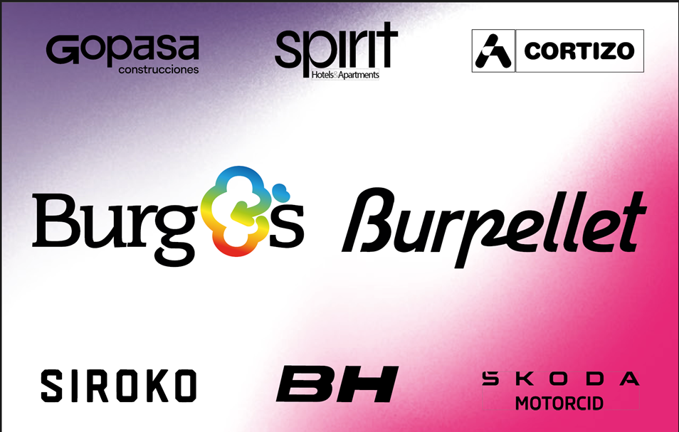

 |  |  | Gran Premio Miguel Indurain

Edición 2025
1.6 km solo | Participacion:(393, 393) | Desnivel: 3351m | 203.9km | 40.794km/h

rank | rider_name | time | team_name | hills | one_day_races
1 | Nys Thibau | 4:59:54 | Lidl - Trek | 736 | 670
2 | Molenaar Alex | 4:59:57 | Caja Rural - Seguros RGA
3 | Bagioli Andrea | 4:59:57 | Lidl - Trek |  |  | team_name | uci_points
4 | Silva Guillermo Thomas | 5:00:01 | Caja Rural - Seguros RGA |  |  | Lidl - Trek | 330
5 | Aranburu Alex | 5:00:01 | Cofidis |  |  | Caja Rural - Seguros RGA | 261
6 | Hirschi Marc | 5:00:01 | Tudor Pro Cycling Team |  |  | Cofidis | 88
7 | Großschartner Felix | 5:00:03 | UAE Team Emirates - XRG |  |  | UAE Team Emirates - XRG | 85
8 | Velasco Simone | 5:00:03 | XDS Astana Team |  |  | Tudor Pro Cycling Team | 73
9 | Baudin Alex | 5:00:03 | EF Education - EasyPost |  |  | EF Education - EasyPost | 73
10 | Miquel Pau | 5:00:03 | Equipo Kern Pharma |  |  | XDS Astana Team | 55
 |  |  |  |  |  | Equipo Kern Pharma | 40
rank | rider_name | time | uci_points | breakaway_kms |  | Team TotalEnergies | 36
20 | Díaz José Manuel | 5:00:16 | 5 | 0 |  | Team Jayco AlUla | 20
25 | Okamika Ander | 5:00:29 | 5 | 0 |  | Arkéa - B&B Hotels | 15
45 | Faura José Luis | 5:01:08 | 0 | 0 |  | Team Picnic PostNL | 11
52 | Fagúndez Eric Antonio | 5:01:52 | 0 | 0 |  | Movistar Team | 10
 |  |  |  |  |  | Burgos Burpellet BH | 10
 |  |  |  |  |  | Team Polti VisitMalta | 8
 |  |  |  |  |  | Red Bull - BORA - hansgrohe | 5
 |  |  |  |  |  | Anicolor / Tien 21 | 0
 |  |  |  |  |  | Feirense - Beeceler | 0
 |  |  |  |  |  | Euskaltel - Euskadi | 0
 |  |  |  |  |  | Illes Balears Arabay | 0

Edición 2024
Sprint à deux | Participacion:(381, 381) | Desnivel: 3178m | 198.1km | 40.183km/h

rank | rider_name | time | team_name | gc | time_trial
1 | McNulty Brandon | 4:55:48 | UAE Team Emirates | 2888 | 2391
2 | Van Gils Maxim | 4:55:48 | Lotto Dstny
3 | Onley Oscar | 4:55:50 | Team dsm-firmenich PostNL |  |  | team_name | uci_points
4 | Izagirre Ion | 4:55:54 | Cofidis |  |  | UAE Team Emirates | 235
5 | Ryan Archie | 4:55:56 | EF Education - EasyPost |  |  | Team dsm-firmenich PostNL | 160
6 | Battistella Samuele | 4:56:04 | Astana Qazaqstan Team |  |  | Lotto Dstny | 150
7 | Champoussin Clément | 4:56:04 | Arkéa - B&B Hotels |  |  | Cofidis | 100
8 | Cras Steff | 4:56:04 | TotalEnergies |  |  | EF Education - EasyPost | 96
9 | Schachmann Maximilian | 4:56:04 | BORA - hansgrohe |  |  | Astana Qazaqstan Team | 75
10 | Barceló Fernando | 4:56:04 | Caja Rural - Seguros RGA |  |  | Arkéa - B&B Hotels | 66
 |  |  |  |  |  | TotalEnergies | 50
rank | rider_name | time | uci_points | breakaway_kms |  | BORA - hansgrohe | 43
53 | Fernández Sinuhé | 4:58:57 | 0 | 0 |  | Equipo Kern Pharma | 38
56 | Díaz José Manuel | 4:59:05 | 0 | 0 |  | Caja Rural - Seguros RGA | 35
57 | Ezquerra Jesús | 4:59:05 | 0 | 0 |  | Team Jayco AlUla | 20
100 | Bol Jetse | 5:06:11 | 0 | 125 |  | Movistar Team | 15
 |  |  |  |  |  | Lidl - Trek | 11
 |  |  |  |  |  | Q36.5 Pro Cycling Team | 10
 |  |  |  |  |  | Team Polti Kometa | 5
 |  |  |  |  |  | Decathlon AG2R La Mondiale Team | 5
 |  |  |  |  |  | Euskaltel - Euskadi | 3
 |  |  |  |  |  | Sabgal / Anicolor | 3
 |  |  |  |  |  | Burgos - BH | 0
 |  |  |  |  |  | Illes Balears Arabay Cycling | 0
 |  |  |  |  |  | Israel - Premier Tech | 0

Edición 2023
1.9 km solo | Participacion:(297, 297) | Desnivel: 3445m | 203.2km | 39.45km/h

rank | rider_name | time | team_name | gc | climber
1 | Izagirre Ion | 5:09:05 | Cofidis | 5471 | 4714
2 | Higuita Sergio | 5:09:07 | BORA - hansgrohe
3 | Skjelmose Mattias | 5:09:18 | Trek - Segafredo |  |  | team_name | uci_points
4 | Kron Andreas | 5:09:25 | Lotto Dstny |  |  | Cofidis | 208
5 | Adrià Roger | 5:09:25 | Equipo Kern Pharma |  |  | BORA - hansgrohe | 155
6 | Aranburu Alex | 5:09:28 | Movistar Team |  |  | Trek - Segafredo | 128
7 | Strong Corbin | 5:09:30 | Israel - Premier Tech |  |  | Movistar Team | 103
8 | Gesbert Élie | 5:09:30 | Team Arkéa Samsic |  |  | Lotto Dstny | 103
9 | Gall Felix | 5:09:37 | AG2R Citroën Team |  |  | Equipo Kern Pharma | 90
10 | Scaroni Christian | 5:09:37 | Astana Qazaqstan Team |  |  | Team Arkéa Samsic | 60
 |  |  |  |  |  | Israel - Premier Tech | 60
rank | rider_name | time | uci_points | breakaway_kms |  | EF Education - EasyPost | 60
17 | Díaz José Manuel | 5:09:42 | 5 | 0 |  | AG2R Citroën Team | 43
48 | Ezquerra Jesús | 5:15:13 | 0 | 0 |  | Astana Qazaqstan Team | 40
52 | Bol Jetse | 5:15:22 | 0 | 0 |  | UAE Team Emirates | 23
65 | Fagúndez Eric Antonio | 5:15:40 | 0 | 0 |  | Caja Rural - Seguros RGA | 13
 |  |  |  |  |  | TotalEnergies | 13
 |  |  |  |  |  | Team Jayco AlUla | 8
 |  |  |  |  |  | Euskaltel - Euskadi | 8
 |  |  |  |  |  | Burgos - BH | 5
 |  |  |  |  |  | Human Powered Health | 0
 |  |  |  |  |  | Electro Hiper Europa | 0
 |  |  |  |  |  | EOLO-Kometa | 0
 |  |  |  |  |  | Team Novo Nordisk | 0

Edición 2022
Sprint of small group | Participacion:(371, 371) | Desnivel: 2878m | 190.0km | 38.279km/h

rank | rider_name | time | team_name | climber | gc
1 | Barguil Warren | 4:57:49 | Team Arkéa Samsic | 3987 | 3121
2 | Vlasov Aleksandr | 4:57:49 | BORA - hansgrohe
3 | Clarke Simon | 4:57:49 | Israel - Premier Tech |  |  | team_name | uci_points
4 | Vuillermoz Alexis | 4:57:49 | TotalEnergies |  |  | Team Arkéa Samsic | 200
5 | Vendrame Andrea | 4:57:49 | AG2R Citroën Team |  |  | TotalEnergies | 170
6 | Latour Pierre | 4:57:49 | TotalEnergies |  |  | BORA - hansgrohe | 150
7 | Izagirre Ion | 4:57:49 | Cofidis |  |  | AG2R Citroën Team | 140
8 | Hirschi Marc | 4:57:49 | UAE Team Emirates |  |  | Israel - Premier Tech | 125
9 | Champoussin Clément | 4:57:49 | AG2R Citroën Team |  |  | Cofidis | 69
10 | Izagirre Gorka | 4:57:49 | Movistar Team |  |  | Bahrain - Victorious | 55
 |  |  |  |  |  | UAE Team Emirates | 50
rank | rider_name | time | uci_points | breakaway_kms |  | Lotto Soudal | 45
32 | Madrazo Ángel | 4:58:28 | 3 | 0 |  | Movistar Team | 38
52 | Langellotti Victor | 5:01:16 | 0 | 0 |  | Caja Rural - Seguros RGA | 28
56 | Bol Jetse | 5:01:18 | 0 | 0 |  | Equipo Kern Pharma | 13
67 | Sánchez Pelayo | 5:01:18 | 0 | 0 |  | Astana Qazaqstan Team | 13
 |  |  |  |  |  | Euskaltel - Euskadi | 8
 |  |  |  |  |  | Human Powered Health | 8
 |  |  |  |  |  | Glassdrive Q8 Anicolor | 5
 |  |  |  |  |  | Burgos - BH | 3
 |  |  |  |  |  | EOLO-Kometa | 0
 |  |  |  |  |  | Manuela Fundación Continental | 0
 |  |  |  |  |  | Team Novo Nordisk | 0
 |  |  |  |  |  | Trek - Segafredo | 0

Edición 2021
2.1 km solo | Participacion:(365, 365) | Desnivel: 3445m | 203.2km | 39.23km/h

rank | rider_name | time | team_name | climber | gc
1 | Valverde Alejandro | 5:10:47 | Movistar Team | 17476 | 13732
2 | Lutsenko Alexey | 5:10:53 | Astana - Premier Tech
3 | Sánchez Luis León | 5:11:02 | Astana - Premier Tech |  |  | team_name | uci_points
4 | Bilbao Pello | 5:11:04 | Bahrain - Victorious |  |  | Astana - Premier Tech | 318
5 | Gesbert Élie | 5:11:05 | Team Arkéa Samsic |  |  | Movistar Team | 203
6 | Neilands Krists | 5:11:08 | Israel Start-Up Nation |  |  | Bahrain - Victorious | 125
7 | Mollema Bauke | 5:11:08 | Trek - Segafredo |  |  | Israel Start-Up Nation | 105
8 | Herrada Jesús | 5:11:08 | Cofidis |  |  | Team Arkéa Samsic | 98
9 | Fraile Omar | 5:11:08 | Astana - Premier Tech |  |  | Cofidis | 70
10 | De Plus Laurens | 5:11:17 | INEOS Grenadiers |  |  | Trek - Segafredo | 68
 |  |  |  |  |  | INEOS Grenadiers | 48
rank | rider_name | time | uci_points | breakaway_kms |  | Team Total Direct Energie | 33
18 | Ezquerra Jesús | 5:11:51 | 5 | 0 |  | Equipo Kern Pharma | 13
62 | Cabedo Óscar | 5:19:15 | 0 | 0 |  | Caja Rural - Seguros RGA | 8
73 | Navarro Daniel | 5:20:28 | 0 | 0 |  | Team BikeExchange | 8
81 | Canal Carlos | 5:25:52 | 0 | 0 |  | Burgos - BH | 5
 |  |  |  |  |  | Efapel | 5
 |  |  |  |  |  | Euskaltel - Euskadi | 5
 |  |  |  |  |  | UAE Team Emirates | 5
 |  |  |  |  |  | Rally Cycling | 3
 |  |  |  |  |  | Electro Hiper Europa | 0
 |  |  |  |  |  | EOLO-Kometa | 0

